1.Classification Tree
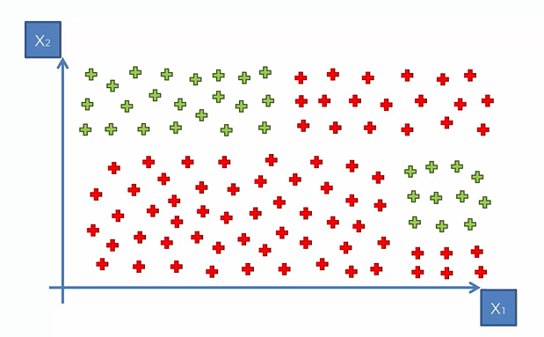
Let' Say we have data of 1 and 0 .. or the Red and Green as the Y or Response variable.
Classification Decision Tree in CART would try and make some splits that would try to classify 1 and 0 in a better manner.

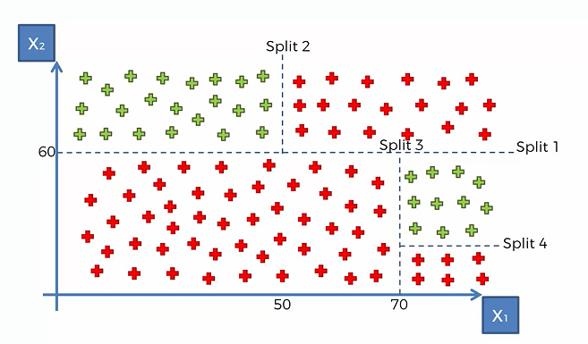
The Tree would try and split in a way to get the boundaries for 1 and 0.
Look at Split 1: Above and Below 60 for X2
Split2: Above 60 of X2 and above and below 50 for X1

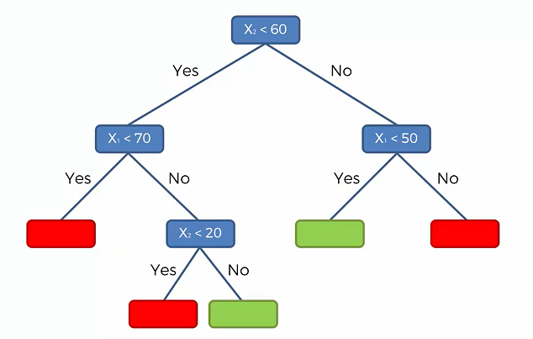

These splits 1-4 can be interpreted in a Decision tree in the shown Graph.
Red are 1 and green are 0 for the classification problem.
Now how to decide the ROOT NODE?

2.Gini Calc for Root Node
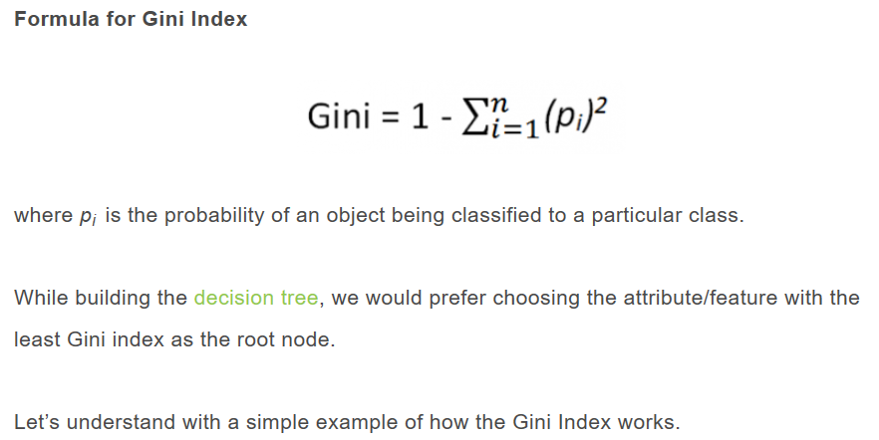

For deciding on the Root Node. we can choose the following.
1. GINI Index
2. Information GAIN/Entropy
the default is GINI as easy to calculate.
Gini is measure of impurity, higher Gini is impure node.
Thus the root node should have the least Gini.

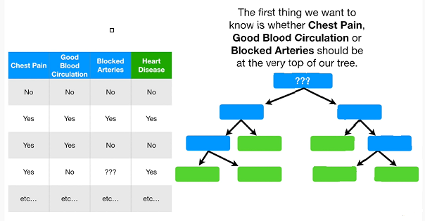
Consider the data with 3 X and 1 Y
Chest pain, Blood circulation and Blocked artery=X
Hear Disease=Y
How to decide the Split Var or Root Var?
p is also called as the frequency probability.

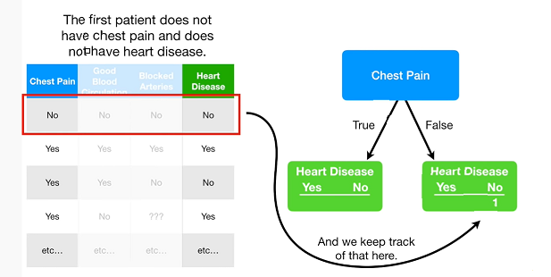
Lets take the Ches Pain first.
we classify all patients in the four categories.
ex1: The first case has No chest pain and No Heart Disease.

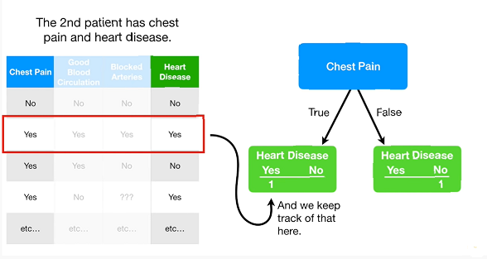
Lets take the Ches Pain first.
we classify all patients in the four categories.
ex2: The second case has YES in chest pain and YES Heart Disease.

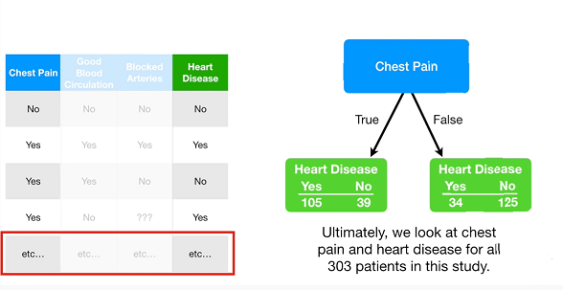

So from a total of 303 patients we have classified as follows.
These categories now would help to get the GINI score.
The nodes are not pure :(
The Heart Disease=139 and No=164
Thus the separation is not good by this X
39 in No with HD and 34 in Yes with HD are the impurity

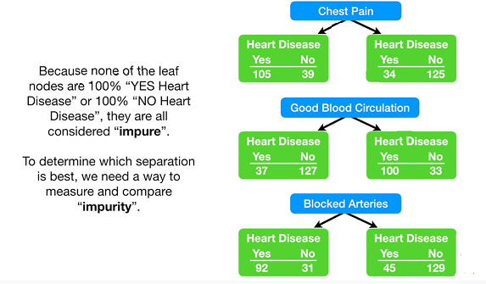
Ideal Situation

We calculate the numbers for all X's and thus conclude all YES Heart patients are not well classified by any X.
The total patients count is not same as data is also missing.
 | CP
TRUE |  | FALSE

HD | No-HD | HD | No-HD
1 | 0 | 1 | 0
139 | 0 | 0 | 164

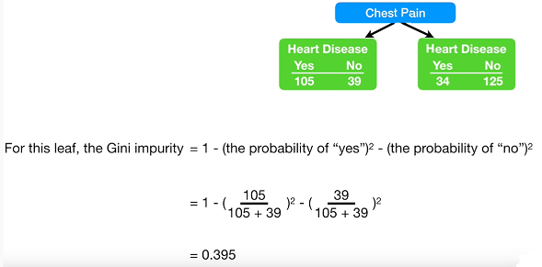
Calculating the GINI for the LEFT Node.
Using the formula: The value is 0.395

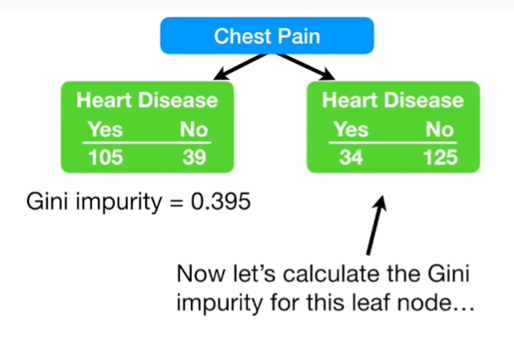

Calculating the GINI for the RIGHT Node.

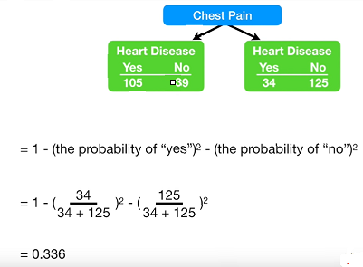

Calculating the GINI for the RIGHT Node.
The value is 0.336

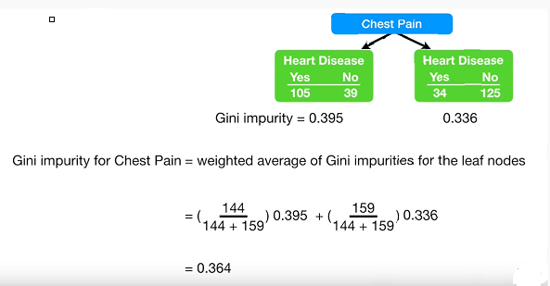
Taking the weighted average.
We get the GINI for the first X (Chest Pain) as 0.364
If the count is same, GINI would just be the avg of the two nodes and thus be the same value.

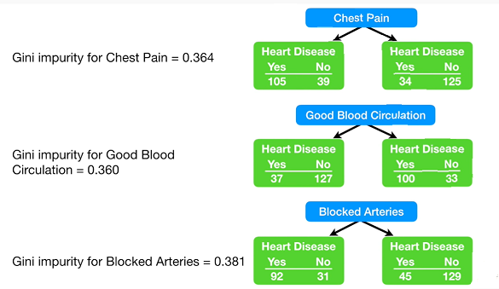

Replicating the calculation for all the X's.
We get the following values.

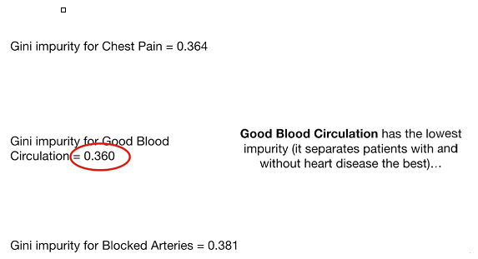

On comparison, the lowest GINI value is from Blood Circlulation.
0.360: Thus the Purest or homogeneous node is by this X. Thus this X gives the best Root node split to the Decision Tree.

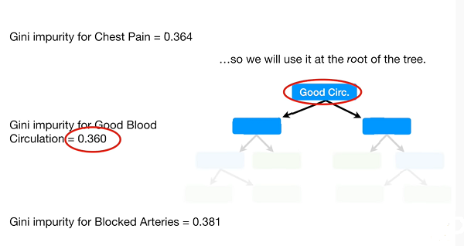

Thus the Root Node is "Blood Circulation" and then
the same steps are recursively repeated.
Thus we know know the Root Node for Tree.

